Navigation Bar
🔹 Section 1: General Navigation (Pre-login)

Test Case ID | Description | Test Steps | Expected Result | Actual Result | Status | Remarks
TC_NAV_001 | Verify visibility of navbar elements | Load the site (not logged in) | "Home", "Services", "OTC Store", "About Us", "Contact", "Create Account" should be visible | "Home", "Services", "OTC Store", "About Us", "Contact", "Create Account" are visible | Pass
TC_NAV_002 | Verify correct page redirection for each nav item | Click on each menu item | Should redirect to respective sections/pages |  | Fail | 🔴 Bug: All navigation items (Services, OTC Store, About Us, Contact) incorrectly render the post-login navbar instead of the expected pre-login navbar for unauthenticated users. 🔴 Bug: OTC Store, About Us, and Contact do not have separate pages
TC_NAV_003 | Verify hover effect on navbar items | Hover on each menu item | Hover effect (color change/underline) appears | Hover effect (color change appears | Pass
TC_NAV_004 | Verify "Create Account" button redirection | Click "Create Account" | Redirects to signup page | User is redirected to the Login page instead of the Sign Up page | Fail | 🔴 Bug: "Create Account" button misdirects to login page
TC_NAV_005 | Verify clicking logo redirects to home | Click on website logo | Should redirect to home page | Should redirect to home page | Pass

🔹 Section 2: Navbar (After Login)

Test Case ID | Description | Test Steps | Expected Result | Actual Result | Status | Remarks
TC_NAV_006 | Verify user icon appears after login | Login with valid credentials | Profile icon should appear at the top-right | Profile icon appear at the top-right | Pass
TC_NAV_007 | Verify dropdown menu on clicking profile icon | Click profile icon | Dropdown with "Profile", "Settings", "Logout" options appears |  | Fail | 🔴 Bug :Settings option does not redirect to any page; clicking has no effect. 🔴 Bug : Dropdown appears when hovering over the user icon or notification icon (unexpected behavior). 🔴 Bug : Profile Dropdown Behavior . ✅ Expected Correct Behavior (for developer reference): On first click of the user icon → Show dropdown with options (Profile, Settings, Logout). On second click on the user icon or click outside the dropdown → Hide dropdown. No dropdown should appear on hover (of any icon).
TC_NAV_008 | Verify "Logout" functionality | Click "Logout" from dropdown | After logging out: User should be fully logged out (session/token cleared). Navbar should update to pre-login state. "Create Account" button should be visible and clickable, leading to the registration/signup page. | "Create Account" button appears after logout, but is not clickable. Clicking it does not redirect to the signup page. | Fail | 🔴 Bug : After Logout, the "Create Account" button appears in the navigation bar, but it is not clickable.
TC_NAV_009 | Verify access to protected routes | Login and manually enter protected URLs | Should be accessible |  | Pass
TC_NAV_010 | Verify logout removes access to protected pages | Logout and enter protected URL | Should redirect to login or show access denied |  | Pass

🔹 Section 3: Functional Edge Cases

Test Case ID | Description | Test Steps | Expected Result | Actual Result | Status | Remarks
TC_NAV_011 | Verify navbar stays fixed on scroll | Scroll down the page | Navbar remains fixed at the top | Navbar remains fixed at the top | Pass
TC_NAV_012 | Verify active page indication | Click on "Services" → check navbar | Active item is highlighted | Active item is highlighted | Pass
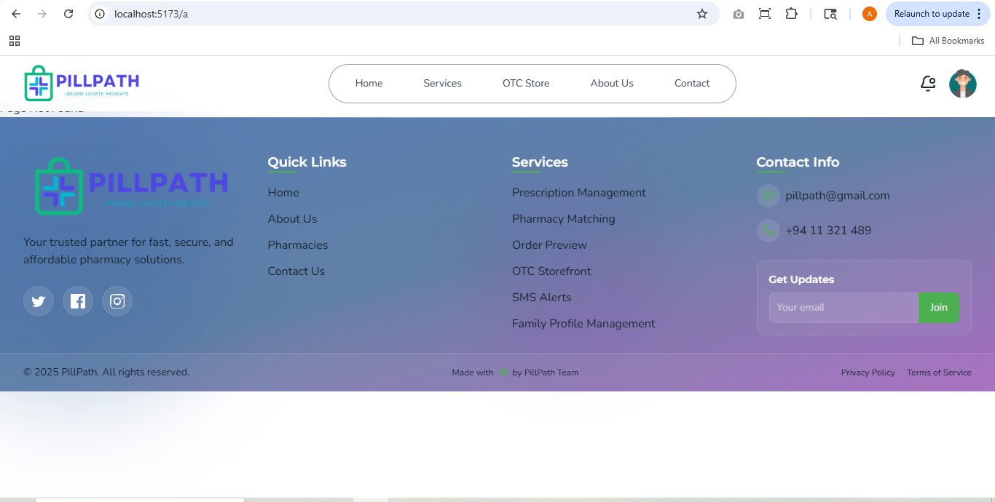
TC_NAV_021 | Verify click on notification icon | Click bell icon | Notification list appears or message shown | No response; no UI displayed | Fail | 🔴 Bug: Notification frontend not yet developed
TC_NAV_022 | Verify fallback for broken nav link | Break a route manually ex:http://localhost:5173/a | App handles broken route with error message or 404 | Displays unhandled error | Fail | 🔴 Bug: Broken routes not handled properly with a 404 or error message

Login Page
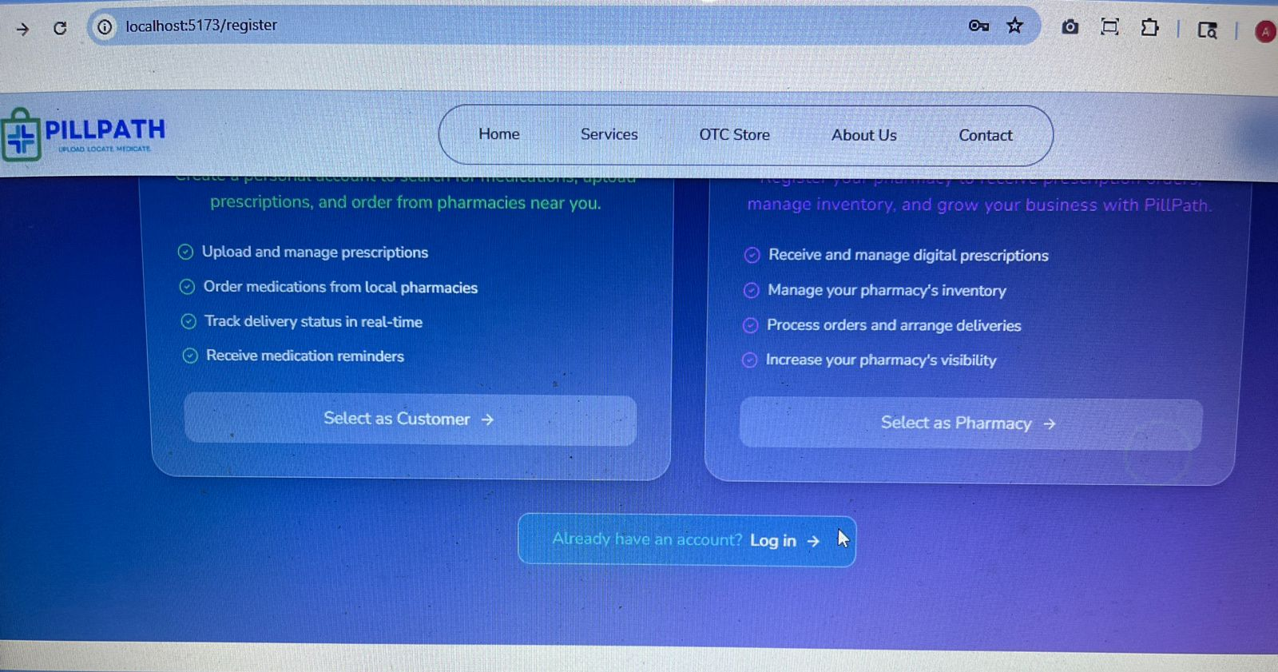
Test Case ID | Test Case Description | Test Steps | Expected Result | Actual Result | Status | Remarks
TC_UI_001 | Verify login form loads correctly | Navigate to login page | Login form is visible with all expected fields and buttons | Login form is visible with all expected fields and buttons | Fail | 🔴 Bug: When navigating from the Signup page, hovering near the text shows only the cursor instead of the expected arm icon.
TC_UI_002 | Verify email/username input field is present and functional | Check for the presence of the input field labeled "Email or Username" | User can type into the field | User can type into the field | Pass
TC_UI_003 | Verify password field is masked | Enter password in the "Password" field | Characters appear as dots (●) | Characters appear as dots (●) | Pass
TC_UI_004 | Verify "Sign In" button is enabled only with valid input | Enter valid email and password | "Sign In" button is clickable | "Sign In" button should become clickable and allow navigation to the customer dashboard upon clicking | Fail | 🔴 Bug: Email validation is missing. Also, clicking the "Sign In" button should navigate to the customer dashboard, but currently it does not navigate anywhere.
TC_UI_005 | Verify "Forgot Password?" link redirects correctly | Click on "Forgot Password?" | Navigates to the password recovery page | "Forgot Password?" link is non-functional | Fail | 🔴 Bug: "Forgot Password?" link is non-functional — the password recovery page is not yet developed.
TC_UI_006 | Verify "Create Account" link redirects correctly | Click on "Create Account" | Navigates to the registration page | Navigates to the registration page | Pass
TC_UI_007 | Verify social login buttons are present | Check for presence of Google, Apple, and Microsoft icons | All social login buttons are visible | All social login buttons are visible | Pass
TC_UI_008 | Verify validation message for empty email field | Leave email field empty and click "Sign In" | An error message is displayed (e.g., "Email is required") | No error message is displayed | Fail | 🔴 Bug: No validation message is shown when the email field is left empty.
TC_UI_009 | Verify validation message for empty password field | Leave password field empty and click "Sign In" | An error message is displayed (e.g., "Password is required") | No error message is displayed | Fail | 🔴 Bug: No validation message is shown when the password field is left empty.
TC_UI_010 | Verify logo is clickable and redirects to homepage | Click on the PillPath logo | User is redirected to homepage | User is redirected to homepage | Pass

Footer
Test Case ID | Test Case Description | Test Steps | Expected Result | Actual Result | Status | Remarks
TC-F001 | Verify footer container layout | Scroll to footer | Footer displays blue gradient, spans full width, aligned columns, separated from content | Footer displays blue gradient and aligned columns, but does not fit to the bottom properly; a gap appears on some screens | Fail | 🔴 Bug: Footer does not stick to bottom of the page properly on all screen sizes
TC-F002 | Verify logo and branding | Check logo and tagline in footer | Logo visible, 'PILLPATH' text clear, tagline readable | Logo visible, 'PILLPATH' text clear, tagline readable | Pass
TC-F003 | Verify 'Quick Links' header | Locate Quick Links heading | Quick Links' heading visible and clear | Quick Links' heading visible and clear | Pass
TC-F004 | Verify quick navigation links | Click Home, About Us, Pharmacies, Contact Us | Each link navigates correctly, responsive, hover works | Only Home link navigates properly. About Us and **Contact Us** pages not yet developed. **Pharmacies** link does **not** navigate to the relevant page | Fail | 🔴 To fix: Develop About Us & Contact Us pages; ensure Pharmacies link is functional and correctly routed
TC-F005 | Verify visual appearance of quick links | Inspect style of quick links | White text, readable, properly spaced | White text, readable, properly spaced | Pass
TC-F006 | Verify 'Services' section header | Locate Services header | Services' heading is visible and clear | Services' heading is visible and clear | Pass
TC-F007 | Verify services links | Click all service links | Each navigates to correct service page | None of the service links navigate to any page | On Hold | 🔧 Page routing for service links not implemented. Requires frontend development
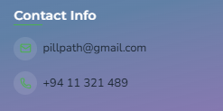
TC-F008 | Verify service names display | Check all 6 service names | Names visible, formatted, no truncation | Names visible, formatted, no truncation | Pass
TC-F009 | Verify 'Contact Info' header | Locate Contact Info heading | Contact Info' heading visible | Contact Info' heading visible | Pass
TC-F010 | Verify email contact link | Click pillpath@gmail.com | Email client opens, email formatted, icon visible | Email link opens client, icon visible, but icon color not UI-friendly | Fail | Suggest adjusting icon color for better visual contrast and readability | <<<<<<<<<<<< | Bug
TC-F011 | Verify phone number | Locate and click +94 11 321 489 | Number visible, icon present, clickable on mobile | Phone number is clickable, icon visible, but poor color contrast | Fail | Suggest adjusting icon color for better visual contrast and readability
TC-F012 | Verify newsletter section | Locate 'Get Updates' | Heading, placeholder, Join button visible | Heading, placeholder, Join button visible | Pass
TC-F013 | Verify newsletter submission | Submit valid, invalid, and empty emails | Success or error messages as appropriate | Not yet implemented | On Hold | Newsletter form lacks backend support — validation & submission pending
TC-F014 | Verify social media icons | Locate social media icons | Icons visible and styled correctly | Icons visible and styled correctly | Pass
TC-F015 | Verify social media links | Click Twitter, Facebook, Instagram icons | Links open correct pages in new tab | Only for display purpose | Pass
TC-F016 | Verify copyright | Check bottom copyright text | 2025 © PillPath displayed, correctly formatted | 2025 © PillPath displayed, correctly formatted | Pass
TC-F019 | Verify footer performance | Monitor footer load times | Footer loads without delay, assets load properly |  | Not Executed

Home Page
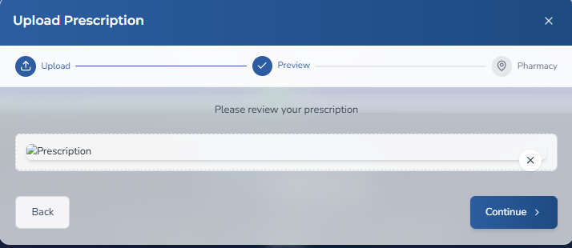
Test Case ID | Test Case Description | Test Steps | Expected Result | Actual Result | Status | Remarks
TC-004 | Verify hero section text and buttons | 1. Check “PILL PATH” title2. Verify Upload Prescription button | Title visible, button clickable | Title visible, button clickable | Pass
TC-005 | Verify Upload Prescription button opens upload form | 1. Click Upload Prescription | Upload form/modal appears | Upload form/modal appears | Pass
TC-UPL-001 | Upload prescription from device | 1. Click Upload from Device2. Select valid prescription file3. Confirm upload | Prescription uploads successfully and preview is shown | Prescription uploads successfully and preview is shown | Pass
TC-UPL-002 | Capture prescription photo using camera | 1. Click Take a Photo2. Allow camera permission3. Capture and confirm photo | Photo uploads successfully and preview is shown | Preview is not shown | Fail | Preview fails to display after upload
TC-UPL-003 | Upload invalid file format | 1. Click Upload from Device2. Select unsupported file type (e.g., .exe) | Error message shown: "Invalid file format" | Upload accepts many unsupported file types | Fail | File type restriction missing; should allow only images and PDFs
TC-UPL-005 | Upload oversized prescription file | 1. Click Upload from Device2. Select file >5MB | Error message: "File size exceeds the limit" |  | Not Executed
TC-006 | Verify hero image carousel functionality | 1. Wait for carousel auto-slide2. Use next/prev arrows | Carousel auto-rotates and manual navigation works | Carousel auto-rotates and manual navigation works | Pass
TC-007 | Verify Core Features section cards | 1. Scroll to Core Features2. Check all 6 cards are visible | All cards displayed with icons and titles | All cards displayed with icons and titles | Pass
TC-PHM-001 | Verify Nearby Pharmacy clickability and UI | 1. Go to Discover Nearby Pharmacies section2. Try clicking Nearby Pharmacy button or text | "Nearby Pharmacy" should be clickable and trigger location access request | "Nearby Pharmacy" text is not clickable; no interaction is triggered | Fail | Make "Nearby Pharmacy" a clickable button or link with expected behavior
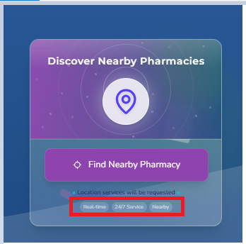
TC-PHM-002 | Verify text color visibility for location services section | 1. Navigate to the section under Discover Nearby Pharmacies2. Observe texts like "Location services will be requested", "Real-time", etc. | Text should be clearly visible with good contrast and readability | Text colors are not UI-friendly; low contrast makes it hard to read on background | Fail | Adjust text colors for better contrast and accessibility compliance
TC-008 | Verify Core Features “Learn More” links | 1. Click Learn More on each card | Opens relevant feature page | Opens relevant feature page | Pass
TC-009 | Verify How PillPath Works steps | 1. Scroll to “How PillPath Works”2. Verify all 3 steps are visible | Steps 1,2,3 displayed with text & image | Steps 1,2,3 displayed with text & image | Pass
TC-010 | Verify Shop by Category section | 1. Scroll to “Shop by Category”2. Check all category icons visible | All categories displayed correctly |  | Not Executed | Section not yet developed; UI implementation pending
TC-011 | Verify category filtering works | 1. Click a category (e.g., Pain Relief) | Product list filters correctly |  | Not Executed | Category filtering feature not implemented yet
TC-012 | Verify featured product cards | 1. Check product image, name, price, rating | Correct details displayed for each product | Correct details displayed for each product | Pass
TC-013 | Verify Add to Cart button | 1. Click Add to Cart for a product | Product added to cart |  | Not Executed | Section not yet developed; UI implementation pending
TC-014 | Verify Browse All Products button | 1. Click Browse All Products | Redirects to full product store |  | Not Executed | Section not yet developed; UI implementation pending
TC-015 | Verify Impact section metrics | 1. Scroll to “Our Impact” section | Metrics (1500 pharmacies, 125K prescriptions, etc.) displayed correctly |  | Pass
TC-016 | Verify Testimonials section | 1. Scroll to testimonials2. Verify names, text, ratings | Testimonials visible with correct details |  | Pass
TC-017 | Verify testimonial carousel navigation | 1. Click next/prev arrows | Carousel navigates between reviews |  | Pass
TC-018 | Verify Share Your Experience button | 1. Click Share Your Experience | Opens feedback form | Feedback form does not open (not developed) | Not Executed | Feedback form functionality is pending development
TC-019 | Verify CTA section buttons | 1. Scroll to CTA2. Click Get Started Free3. Click Learn More | Buttons redirect correctly |  | Pass

